Images
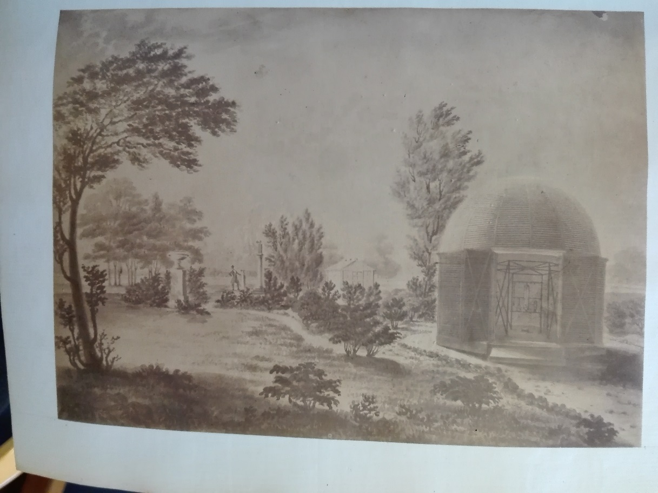

Figure 1: Octagonal wooden thermometer screen (‘Observatory’) at Phoenix Park Dublin and printed by Cameron (1856).
Source: National Library of Ireland (Thomas Larcom papers, Ms. 7548).

